rental_details
film_id | title | release_year | rating | film_category | language | customer_id | customer_name | cust_city | cust_country | rental_id | rental_rate | rental_days_count | paid_amount
1 | Academy Dinosaur | 2006 | PG | Documentary | English | 581 | Virgil Wofford | Jos Azueta | Mexico | 9449 | 0.99 | 6 | 1.99
1 | Academy Dinosaur | 2006 | PG | Documentary | English | 431 | Joel Francisco | Sucre | Bolivia | 4863 | 0.99 | 3 | 0.99 | SQL queries:
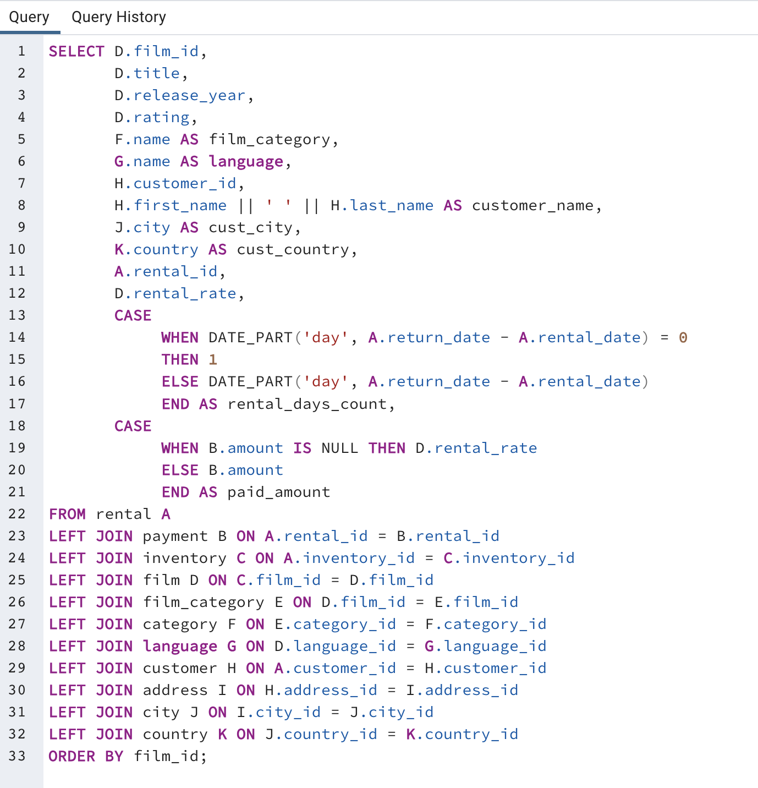
1 | Academy Dinosaur | 2006 | PG | Documentary | English | 252 | Mattie Hoffman | London | United Kingdom | 7168 | 0.99 | 4 | 0.99
1 | Academy Dinosaur | 2006 | PG | Documentary | English | 554 | Dwayne Olvera | Rajkot | India | 14098 | 0.99 | 5 | 3.99
1 | Academy Dinosaur | 2006 | PG | Documentary | English | 8 | Susan Wilson | Hamilton | New Zealand | 10141 | 0.99 | 5 | 0.99
1 | Academy Dinosaur | 2006 | PG | Documentary | English | 161 | Geraldine Perkins | Tel Aviv-Jaffa | Israel | 4187 | 0.99 | 3 | 0.99
1 | Academy Dinosaur | 2006 | PG | Documentary | English | 541 | Darren Windham | Livorno | Italy | 15421 | 0.99 | 2 | 0.99
1 | Academy Dinosaur | 2006 | PG | Documentary | English | 406 | Nathan Runyon | Charlotte Amalie | Virgin Islands, U.S. | 5766 | 0.99 | 5 | 0.99
1 | Academy Dinosaur | 2006 | PG | Documentary | English | 359 | Willie Markham | Almirante Brown | Argentina | 15453 | 0.99 | 7 | 1.99
1 | Academy Dinosaur | 2006 | PG | Documentary | English | 345 | Carl Artis | San Lorenzo | Paraguay | 1210 | 0.99 | 4 | 0.99
1 | Academy Dinosaur | 2006 | PG | Documentary | English | 44 | Marie Turner | Lipetsk | Russian Federation | 4390 | 0.99 | 1 | 0.99
1 | Academy Dinosaur | 2006 | PG | Documentary | English | 301 | Robert Baughman | Kaliningrad | Russian Federation | 10883 | 0.99 | 1 | 0.99
1 | Academy Dinosaur | 2006 | PG | Documentary | English | 92 | Tina Simmons | Goinia | Brazil | 14798 | 0.99 | 5 | 0.99
1 | Academy Dinosaur | 2006 | PG | Documentary | English | 170 | Beatrice Arnold | Udaipur | India | 2117 | 0.99 | 5 | 0.99
1 | Academy Dinosaur | 2006 | PG | Documentary | English | 487 | Hector Poindexter | Pjatigorsk | Russian Federation | 8510 | 0.99 | 6 | 1.99
1 | Academy Dinosaur | 2006 | PG | Documentary | English | 34 | Rebecca Scott | Kurashiki | Japan | 12651 | 0.99 | 4 | 0.99
1 | Academy Dinosaur | 2006 | PG | Documentary | English | 279 | Dianne Shelton | Tabriz | Iran | 14714 | 0.99 | 9 | 3.99
1 | Academy Dinosaur | 2006 | PG | Documentary | English | 411 | Norman Currier | Cianjur | Indonesia | 972 | 0.99 | 6 | 0.99
1 | Academy Dinosaur | 2006 | PG | Documentary | English | 597 | Freddie Duggan | Sullana | Peru | 3201 | 0.99 | 7 | 1.99
1 | Academy Dinosaur | 2006 | PG | Documentary | English | 518 | Gabriel Harder | Sivas | Turkey | 11433 | 0.99 | 9 | 3.99
1 | Academy Dinosaur | 2006 | PG | Documentary | English | 587 | Sergio Stanfield | Celaya | Mexico | 361 | 0.99 | 4 | 0.99
1 | Academy Dinosaur | 2006 | PG | Documentary | English | 344 | Henry Billingsley | Nukualofa | Tonga | 14624 | 0.99 | 2 | 0.99
1 | Academy Dinosaur | 2006 | PG | Documentary | English | 39 | Debra Nelson | Vila Velha | Brazil | 10126 | 0.99 | 3 | 0.99
2 | Ace Goldfinger | 2006 | G | Horror | English | 145 | Lucille Holmes | Soshanguve | South Africa | 4364 | 4.99 | 1 | 4.99
2 | Ace Goldfinger | 2006 | G | Horror | English | 139 | Amber Dixon | Touliu | Taiwan | 15218 | 4.99 | 8 | 9.99
2 | Ace Goldfinger | 2006 | G | Horror | English | 366 | Brandon Huey | Balikesir | Turkey | 13421 | 4.99 | 5 | 4.99
2 | Ace Goldfinger | 2006 | G | Horror | English | 533 | Jessie Milam | Binzhou | China | 11758 | 4.99 | 6 | 8.99
2 | Ace Goldfinger | 2006 | G | Horror | English | 180 | Stacy Cunningham | Pereira | Colombia | 10992 | 4.99 | 6 | 8.99
2 | Ace Goldfinger | 2006 | G | Horror | English | 82 | Kathryn Coleman | Simferopol | Ukraine | 7733 | 4.99 | 8 | 9.99
2 | Ace Goldfinger | 2006 | G | Horror | English | 271 | Penny Neal | Kumbakonam | India | 10310 | 4.99 | 3 | 4.99
3 | Adaptation Holes | 2006 | NC-17 | Documentary | English | 417 | Travis Estep | al-Qatif | Saudi Arabia | 14882 | 2.99 | 3 | 2.99
3 | Adaptation Holes | 2006 | NC-17 | Documentary | English | 100 | Robin Hayes | Jelets | Russian Federation | 1427 | 2.99 | 1 | 2.99
3 | Adaptation Holes | 2006 | NC-17 | Documentary | English | 147 | Joanne Robertson | Urawa | Japan | 3956 | 2.99 | 5 | 2.99
3 | Adaptation Holes | 2006 | NC-17 | Documentary | English | 316 | Steven Curley | Miraj | India | 7586 | 2.99 | 1 | 2.99
3 | Adaptation Holes | 2006 | NC-17 | Documentary | English | 25 | Deborah Walker | Shikarpur | Pakistan | 1033 | 2.99 | 1 | 2.99
3 | Adaptation Holes | 2006 | NC-17 | Documentary | English | 1 | Mary Smith | Sasebo | Japan | 10437 | 2.99 | 9 | 4.99
3 | Adaptation Holes | 2006 | NC-17 | Documentary | English | 178 | Marion Snyder | Santa Brbara dOeste | Brazil | 12727 | 2.99 | 5 | 2.99
3 | Adaptation Holes | 2006 | NC-17 | Documentary | English | 224 | Pearl Garza | Jodhpur | India | 6999 | 2.99 | 2 | 2.99
3 | Adaptation Holes | 2006 | NC-17 | Documentary | English | 269 | Cassandra Walters | Salinas | United States | 15788 | 2.99 | 2 | 2.99
3 | Adaptation Holes | 2006 | NC-17 | Documentary | English | 65 | Rose Howard | Cayenne | French Guiana | 11845 | 2.99 | 1 | 2.99
3 | Adaptation Holes | 2006 | NC-17 | Documentary | English | 247 | Stella Moreno | Coacalco de Berriozbal | Mexico | 11306 | 2.99 | 1 | 2.99
3 | Adaptation Holes | 2006 | NC-17 | Documentary | English | 277 | Olga Jimenez | Ogbomosho | Nigeria | 3897 | 2.99 | 5 | 2.99
4 | Affair Prejudice | 2006 | G | Horror | English | 560 | Jordan Archuleta | Avellaneda | Argentina | 15352 | 2.99 | 8 | 6.99
4 | Affair Prejudice | 2006 | G | Horror | English | 449 | Oscar Aquino | Sirjan | Iran | 8002 | 2.99 | 3 | 2.99 | note:
4 | Affair Prejudice | 2006 | G | Horror | English | 464 | Jerome Kenyon | Rancagua | Chile | 13943 | 2.99 | 3 | 2.99 | some of the rental time is only for couple of hours, as this data is counting of the rental days,
4 | Affair Prejudice | 2006 | G | Horror | English | 111 | Carmen Owens | Caracas | Venezuela | 15174 | 2.99 | 8 | 6.99 | anything under 24 hour, is counted as 1 day.
4 | Affair Prejudice | 2006 | G | Horror | English | 268 | Nina Soto | Palghat (Palakkad) | India | 8931 | 2.99 | 3 | 2.99
4 | Affair Prejudice | 2006 | G | Horror | English | 302 | Michael Silverman | Tiefa | China | 5682 | 2.99 | 2 | 2.99
4 | Affair Prejudice | 2006 | G | Horror | English | 501 | Ruben Geary | Lublin | Poland | 9359 | 2.99 | 1 | 2.99
4 | Affair Prejudice | 2006 | G | Horror | English | 24 | Kimberly Lee | Crdoba | Argentina | 1716 | 2.99 | 3 | 2.99
4 | Affair Prejudice | 2006 | G | Horror | English | 66 | Janice Ward | Malm | Sweden | 6348 | 2.99 | 7 | 5.99
4 | Affair Prejudice | 2006 | G | Horror | English | 111 | Carmen Owens | Caracas | Venezuela | 15542 | 2.99 | 5 | 2.99
4 | Affair Prejudice | 2006 | G | Horror | English | 184 | Vivian Ruiz | s-Hertogenbosch | Netherlands | 6493 | 2.99 | 4 | 2.99
4 | Affair Prejudice | 2006 | G | Horror | English | 397 | Jimmy Schrader | Atinsk | Russian Federation | 12726 | 2.99 | 1 | 2.99
4 | Affair Prejudice | 2006 | G | Horror | English | 148 | Eleanor Hunt | Saint-Denis | Runion | 8331 | 2.99 | 6 | 3.99
4 | Affair Prejudice | 2006 | G | Horror | English | 150 | Danielle Daniels | Hidalgo | Mexico | 995 | 2.99 | 6 | 2.99
4 | Affair Prejudice | 2006 | G | Horror | English | 418 | Jeff East | San Felipe de Puerto Plata | Dominican Republic | 6970 | 2.99 | 7 | 4.99
4 | Affair Prejudice | 2006 | G | Horror | English | 151 | Megan Palmer | Laiwu | China | 11714 | 2.99 | 1 | 2.99
4 | Affair Prejudice | 2006 | G | Horror | English | 73 | Beverly Brooks | Chiayi | Taiwan | 4789 | 2.99 | 7 | 4.99
4 | Affair Prejudice | 2006 | G | Horror | English | 239 | Minnie Romero | Ciomas | Indonesia | 9863 | 2.99 | 7 | 5.99
4 | Affair Prejudice | 2006 | G | Horror | English | 562 | Wallace Slone | Sokoto | Nigeria | 4802 | 2.99 | 7 | 4.99
4 | Affair Prejudice | 2006 | G | Horror | English | 261 | Deanna Byrd | Tuguegarao | Philippines | 465 | 2.99 | 5 | 2.99
4 | Affair Prejudice | 2006 | G | Horror | English | 197 | Sue Peters | Changzhou | China | 2090 | 2.99 | 5 | 2.99
4 | Affair Prejudice | 2006 | G | Horror | English | 216 | Natalie Meyer | Aparecida de Goinia | Brazil | 15199 | 2.99 | 3 | 2.99
4 | Affair Prejudice | 2006 | G | Horror | English | 459 | Tommy Collazo | Qomsheh | Iran | 3506 | 2.99 | 1 | 2.99
5 | African Egg | 2006 | G | Thriller | English | 590 | Seth Hannon | al-Manama | Bahrain | 15458 | 2.99 | 5 | 2.99
5 | African Egg | 2006 | G | Thriller | English | 497 | Gilbert Sledge | York | United Kingdom | 5030 | 2.99 | 7 | 4.99
5 | African Egg | 2006 | G | Thriller | English | 336 | Joshua Mark | Rampur | India | 12926 | 2.99 | 7 | 3.99
5 | African Egg | 2006 | G | Thriller | English | 127 | Elaine Stevens | Smolensk | Russian Federation | 13043 | 2.99 | 7 | 4.99
5 | African Egg | 2006 | G | Thriller | English | 410 | Curtis Irby | Richmond Hill | Canada | 2255 | 2.99 | 8 | 4.99
5 | African Egg | 2006 | G | Thriller | English | 489 | Ricardo Meador | Okayama | Japan | 1614 | 2.99 | 7 | 3.99
5 | African Egg | 2006 | G | Thriller | English | 32 | Amy Lopez | Jhansi | India | 7793 | 2.99 | 6 | 2.99
5 | African Egg | 2006 | G | Thriller | English | 438 | Barry Lovelace | Kitwe | Zambia | 6615 | 2.99 | 8 | 4.99
5 | African Egg | 2006 | G | Thriller | English | 566 | Casey Mena | Tokat | Turkey | 11129 | 2.99 | 1 | 2.99
5 | African Egg | 2006 | G | Thriller | English | 106 | Connie Wallace | Ivanovo | Russian Federation | 552 | 2.99 | 7 | 2.99
5 | African Egg | 2006 | G | Thriller | English | 49 | Joyce Edwards | Jedda | Saudi Arabia | 9851 | 2.99 | 7 | 4.99
5 | African Egg | 2006 | G | Thriller | English | 266 | Nora Herrera | Salzburg | Austria | 5362 | 2.99 | 9 | 5.99
6 | Agent Truman | 2006 | PG | Foreign | English | 45 | Janet Phillips | Antofagasta | Chile | 3391 | 2.99 | 3 | 3.99
6 | Agent Truman | 2006 | PG | Foreign | English | 46 | Catherine Campbell | Moscow | Russian Federation | 2965 | 2.99 | 9 | 8.99
6 | Agent Truman | 2006 | PG | Foreign | English | 389 | Alan Kahn | Emeishan | China | 11944 | 2.99 | 3 | 3.99
6 | Agent Truman | 2006 | PG | Foreign | English | 204 | Rosemary Schmidt | Usak | Turkey | 11261 | 2.99 | 8 | 7.99
6 | Agent Truman | 2006 | PG | Foreign | English | 38 | Martha Gonzalez | Chisinau | Moldova | 14554 | 2.99 | 4 | 4.99
6 | Agent Truman | 2006 | PG | Foreign | English | 108 | Tracy Cole | Huixquilucan | Mexico | 5806 | 2.99 | 4 | 4.99
6 | Agent Truman | 2006 | PG | Foreign | English | 214 | Kristin Johnston | Sunnyvale | United States | 12463 | 2.99 | 5 | 4.99
6 | Agent Truman | 2006 | PG | Foreign | English | 14 | Betty White | Citrus Heights | United States | 10526 | 2.99 | 7 | 6.99
6 | Agent Truman | 2006 | PG | Foreign | English | 391 | Clarence Gamez | Izumisano | Japan | 317 | 2.99 | 5 | 2.99
6 | Agent Truman | 2006 | PG | Foreign | English | 5 | Elizabeth Brown | Nantou | Taiwan | 8263 | 2.99 | 2 | 2.99
6 | Agent Truman | 2006 | PG | Foreign | English | 183 | Ida Andrews | Luzinia | Brazil | 12764 | 2.99 | 3 | 3.99
6 | Agent Truman | 2006 | PG | Foreign | English | 355 | Terry Grissom | Matsue | Japan | 3567 | 2.99 | 5 | 5.99
6 | Agent Truman | 2006 | PG | Foreign | English | 482 | Maurice Crawley | Coatzacoalcos | Mexico | 259 | 2.99 | 8 | 2.99
6 | Agent Truman | 2006 | PG | Foreign | English | 50 | Diane Collins | Omdurman | Sudan | 10485 | 2.99 | 7 | 7.99
6 | Agent Truman | 2006 | PG | Foreign | English | 527 | Cory Meehan | Mogiljov | Belarus | 12513 | 2.99 | 6 | 6.99
6 | Agent Truman | 2006 | PG | Foreign | English | 506 | Leslie Seward | Pontianak | Indonesia | 4594 | 2.99 | 7 | 7.99
6 | Agent Truman | 2006 | PG | Foreign | English | 320 | Anthony Schwab | Tafuna | American Samoa | 3756 | 2.99 | 4 | 4.99
6 | Agent Truman | 2006 | PG | Foreign | English | 209 | Tonya Chapman | Bhilwara | India | 13796 | 2.99 | 8 | 8.99
6 | Agent Truman | 2006 | PG | Foreign | English | 585 | Perry Swafford | Quilmes | Argentina | 8353 | 2.99 | 1 | 2.99
6 | Agent Truman | 2006 | PG | Foreign | English | 537 | Clinton Buford | Aurora | United States | 7810 | 2.99 | 4 | 4.99
6 | Agent Truman | 2006 | PG | Foreign | English | 213 | Gina Williamson | Taizz | Yemen | 2569 | 2.99 | 7 | 6.99
7 | Airplane Sierra | 2006 | PG-13 | Comedy | English | 54 | Teresa Rogers | Iwakuni | Japan | 14215 | 4.99 | 6 | 4.99
7 | Airplane Sierra | 2006 | PG-13 | Comedy | English | 387 | Jesse Schilling | Lubumbashi | Congo, The Democratic Republic of the | 3378 | 4.99 | 3 | 4.99
7 | Airplane Sierra | 2006 | PG-13 | Comedy | English | 369 | Fred Wheat | Jurez | Mexico | 11084 | 4.99 | 5 | 4.99
7 | Airplane Sierra | 2006 | PG-13 | Comedy | English | 154 | Michele Grant | Yuncheng | China | 7156 | 4.99 | 3 | 4.99
7 | Airplane Sierra | 2006 | PG-13 | Comedy | English | 184 | Vivian Ruiz | s-Hertogenbosch | Netherlands | 13303 | 4.99 | 3 | 4.99
7 | Airplane Sierra | 2006 | PG-13 | Comedy | English | 429 | Frederick Isbell | Tsuyama | Japan | 7352 | 4.99 | 1 | 4.99
7 | Airplane Sierra | 2006 | PG-13 | Comedy | English | 310 | Daniel Cabral | Ibirit | Brazil | 12500 | 4.99 | 1 | 4.99
7 | Airplane Sierra | 2006 | PG-13 | Comedy | English | 471 | Dean Sauer | Johannesburg | South Africa | 14942 | 4.99 | 9 | 7.99
7 | Airplane Sierra | 2006 | PG-13 | Comedy | English | 273 | Priscilla Lowe | Salamanca | Mexico | 4937 | 4.99 | 6 | 5.99
7 | Airplane Sierra | 2006 | PG-13 | Comedy | English | 388 | Craig Morrell | Cavite | Philippines | 3159 | 4.99 | 8 | 7.99
7 | Airplane Sierra | 2006 | PG-13 | Comedy | English | 93 | Phyllis Foster | Zalantun | China | 6287 | 4.99 | 1 | 4.99
7 | Airplane Sierra | 2006 | PG-13 | Comedy | English | 531 | Jamie Waugh | Kuwana | Japan | 6876 | 4.99 | 4 | 4.99
7 | Airplane Sierra | 2006 | PG-13 | Comedy | English | 87 | Wanda Patterson | Sincelejo | Colombia | 10205 | 4.99 | 5 | 4.99
7 | Airplane Sierra | 2006 | PG-13 | Comedy | English | 202 | Carla Gutierrez | Bhusawal | India | 9751 | 4.99 | 1 | 4.99
7 | Airplane Sierra | 2006 | PG-13 | Comedy | English | 81 | Andrea Henderson | Mahajanga | Madagascar | 15224 | 4.99 | 6 | 5.99
8 | Airport Pollock | 2006 | R | Horror | English | 57 | Evelyn Morgan | Vaduz | Liechtenstein | 2360 | 4.99 | 5 | 4.99
8 | Airport Pollock | 2006 | R | Horror | English | 425 | Francis Sikes | San Juan Bautista Tuxtepec | Mexico | 3807 | 4.99 | 3 | 4.99
8 | Airport Pollock | 2006 | R | Horror | English | 262 | Patsy Davidson | Portoviejo | Ecuador | 2771 | 4.99 | 7 | 6.99
8 | Airport Pollock | 2006 | R | Horror | English | 303 | William Satterfield | Sanaa | Yemen | 6219 | 4.99 | 2 | 4.99
8 | Airport Pollock | 2006 | R | Horror | English | 116 | Victoria Gibson | Pemalang | Indonesia | 1058 | 4.99 | 3 | 4.99
8 | Airport Pollock | 2006 | R | Horror | English | 352 | Albert Crouse | Bamenda | Cameroon | 7845 | 4.99 | 7 | 5.99
8 | Airport Pollock | 2006 | R | Horror | English | 332 | Stephen Qualls | Dhaka | Bangladesh | 10026 | 4.99 | 3 | 4.99
8 | Airport Pollock | 2006 | R | Horror | English | 513 | Duane Tubbs | Yangor | Nauru | 12559 | 4.99 | 7 | 5.99
8 | Airport Pollock | 2006 | R | Horror | English | 72 | Theresa Watson | Taguig | Philippines | 785 | 4.99 | 1 | 4.99
8 | Airport Pollock | 2006 | R | Horror | English | 268 | Nina Soto | Palghat (Palakkad) | India | 4626 | 4.99 | 2 | 4.99
8 | Airport Pollock | 2006 | R | Horror | English | 96 | Diana Alexander | Augusta-Richmond County | United States | 15989 | 4.99 | 3 | 4.99
8 | Airport Pollock | 2006 | R | Horror | English | 275 | Carole Barnett | Peoria | United States | 14483 | 4.99 | 7 | 5.99
8 | Airport Pollock | 2006 | R | Horror | English | 166 | Lynn Payne | Lilongwe | Malawi | 10422 | 4.99 | 9 | 7.99
8 | Airport Pollock | 2006 | R | Horror | English | 365 | Bruce Schwarz | Okinawa | Japan | 120 | 4.99 | 7 | 4.99
8 | Airport Pollock | 2006 | R | Horror | English | 501 | Ruben Geary | Lublin | Poland | 11799 | 4.99 | 8 | 6.99
8 | Airport Pollock | 2006 | R | Horror | English | 448 | Miguel Betancourt | Erlangen | Germany | 3959 | 4.99 | 6 | 5.99
8 | Airport Pollock | 2006 | R | Horror | English | 141 | Debbie Reyes | Fukuyama | Japan | 8434 | 4.99 | 1 | 4.99
8 | Airport Pollock | 2006 | R | Horror | English | 144 | Clara Shaw | Molodetno | Belarus | 1814 | 4.99 | 6 | 5.99
9 | Alabama Devil | 2006 | PG-13 | Horror | English | 75 | Tammy Sanders | Changhwa | Taiwan | 9442 | 2.99 | 4 | 4.99
9 | Alabama Devil | 2006 | PG-13 | Horror | English | 158 | Veronica Stone | Greensboro | United States | 15802 | 2.99 | 6 | 5.99
9 | Alabama Devil | 2006 | PG-13 | Horror | English | 507 | Edgar Rhoads | Eskisehir | Turkey | 3880 | 2.99 | 1 | 2.99
9 | Alabama Devil | 2006 | PG-13 | Horror | English | 514 | Franklin Troutman | Zaoyang | China | 15776 | 2.99 | 6 | 5.99
9 | Alabama Devil | 2006 | PG-13 | Horror | English | 547 | Kurt Emmons | Kanazawa | Japan | 7835 | 2.99 | 4 | 4.99
9 | Alabama Devil | 2006 | PG-13 | Horror | English | 214 | Kristin Johnston | Sunnyvale | United States | 15639 | 2.99 | 1 | 2.99
9 | Alabama Devil | 2006 | PG-13 | Horror | English | 491 | Rick Mattox | Mit Ghamr | Egypt | 10036 | 2.99 | 3 | 2.99
9 | Alabama Devil | 2006 | PG-13 | Horror | English | 305 | Richard Mccrary | Arlington | United States | 5745 | 2.99 | 8 | 8.99
9 | Alabama Devil | 2006 | PG-13 | Horror | English | 226 | Maureen Little | Asuncin | Paraguay | 7288 | 2.99 | 6 | 5.99
9 | Alabama Devil | 2006 | PG-13 | Horror | English | 463 | Darrell Power | Halifax | Canada | 12096 | 2.99 | 7 | 7.99
9 | Alabama Devil | 2006 | PG-13 | Horror | English | 372 | Steve Mackenzie | Probolinggo | Indonesia | 8837 | 2.99 | 8 | 8.99
9 | Alabama Devil | 2006 | PG-13 | Horror | English | 285 | Miriam Mckinney | Otsu | Japan | 12027 | 2.99 | 9 | 8.99
10 | Aladdin Calendar | 2006 | NC-17 | Sports | English | 120 | Sylvia Ortiz | Dos Quebradas | Colombia | 10696 | 4.99 | 2 | 4.99
10 | Aladdin Calendar | 2006 | NC-17 | Sports | English | 490 | Sam Mcduffie | Sogamoso | Colombia | 10786 | 4.99 | 8 | 7.99
10 | Aladdin Calendar | 2006 | NC-17 | Sports | English | 265 | Jennie Terry | Olomouc | Czech Republic | 2562 | 4.99 | 2 | 4.99
10 | Aladdin Calendar | 2006 | NC-17 | Sports | English | 481 | Herman Devore | Mwanza | Tanzania | 13878 | 4.99 | 1 | 4.99
10 | Aladdin Calendar | 2006 | NC-17 | Sports | English | 539 | Mathew Bolin | Valencia | Venezuela | 5139 | 4.99 | 9 | 7.99
10 | Aladdin Calendar | 2006 | NC-17 | Sports | English | 477 | Dan Paine | Stockport | United Kingdom | 8821 | 4.99 | 6 | 5.99
10 | Aladdin Calendar | 2006 | NC-17 | Sports | English | 470 | Gordon Allard | Hodeida | Yemen | 6703 | 4.99 | 4 | 4.99
10 | Aladdin Calendar | 2006 | NC-17 | Sports | English | 193 | Katie Elliott | Kisumu | Kenya | 1325 | 4.99 | 4 | 4.99
10 | Aladdin Calendar | 2006 | NC-17 | Sports | English | 570 | Ivan Cromwell | Monclova | Mexico | 7174 | 4.99 | 4 | 4.99
10 | Aladdin Calendar | 2006 | NC-17 | Sports | English | 89 | Julia Flores | La Plata | Argentina | 1948 | 4.99 | 3 | 4.99
10 | Aladdin Calendar | 2006 | NC-17 | Sports | English | 391 | Clarence Gamez | Izumisano | Japan | 10210 | 4.99 | 9 | 7.99
10 | Aladdin Calendar | 2006 | NC-17 | Sports | English | 370 | Wayne Truong | Gulbarga | India | 4400 | 4.99 | 8 | 7.99
10 | Aladdin Calendar | 2006 | NC-17 | Sports | English | 365 | Bruce Schwarz | Okinawa | Japan | 9184 | 4.99 | 1 | 4.99
10 | Aladdin Calendar | 2006 | NC-17 | Sports | English | 18 | Carol Garcia | Kaduna | Nigeria | 1783 | 4.99 | 1 | 4.99
10 | Aladdin Calendar | 2006 | NC-17 | Sports | English | 247 | Stella Moreno | Coacalco de Berriozbal | Mexico | 14041 | 4.99 | 5 | 4.99
10 | Aladdin Calendar | 2006 | NC-17 | Sports | English | 367 | Adam Gooch | Adoni | India | 14413 | 4.99 | 8 | 6.99
10 | Aladdin Calendar | 2006 | NC-17 | Sports | English | 55 | Doris Reed | Balaiha | Russian Federation | 13345 | 4.99 | 8 | 6.99
10 | Aladdin Calendar | 2006 | NC-17 | Sports | English | 259 | Lena Jensen | Halisahar | India | 13109 | 4.99 | 6 | 4.99
10 | Aladdin Calendar | 2006 | NC-17 | Sports | English | 93 | Phyllis Foster | Zalantun | China | 12704 | 4.99 | 3 | 4.99
10 | Aladdin Calendar | 2006 | NC-17 | Sports | English | 286 | Velma Lucas | Effon-Alaiye | Nigeria | 4707 | 4.99 | 2 | 4.99
10 | Aladdin Calendar | 2006 | NC-17 | Sports | English | 10 | Dorothy Taylor | Esfahan | Iran | 4042 | 4.99 | 2 | 4.99
10 | Aladdin Calendar | 2006 | NC-17 | Sports | English | 358 | Samuel Marlow | Ranchi | India | 10482 | 4.99 | 1 | 4.99
10 | Aladdin Calendar | 2006 | NC-17 | Sports | English | 409 | Rodney Moeller | Deba Habe | Nigeria | 14697 | 4.99 | 4 | 4.99
11 | Alamo Videotape | 2006 | G | Foreign | English | 118 | Kim Cruz | Grand Prairie | United States | 10045 | 0.99 | 6 | 1.99
11 | Alamo Videotape | 2006 | G | Foreign | English | 373 | Louis Leone | Tanauan | Philippines | 12780 | 0.99 | 1 | 0.99
11 | Alamo Videotape | 2006 | G | Foreign | English | 413 | Marvin Yee | Berhampore (Baharampur) | India | 7635 | 0.99 | 4 | 0.99
11 | Alamo Videotape | 2006 | G | Foreign | English | 324 | Gary Coy | Yuzhou | China | 563 | 0.99 | 9 | 0.99
11 | Alamo Videotape | 2006 | G | Foreign | English | 360 | Ralph Madrigal | Arecibo | Puerto Rico | 633 | 0.99 | 6 | 0.99
11 | Alamo Videotape | 2006 | G | Foreign | English | 421 | Lee Hawks | Pudukkottai | India | 14887 | 0.99 | 8 | 3.99
11 | Alamo Videotape | 2006 | G | Foreign | English | 548 | Allan Cornish | Tarlac | Philippines | 1326 | 0.99 | 6 | 1.99
11 | Alamo Videotape | 2006 | G | Foreign | English | 80 | Marilyn Ross | Ife | Nigeria | 13395 | 0.99 | 2 | 0.99
11 | Alamo Videotape | 2006 | G | Foreign | English | 56 | Gloria Cook | Papeete | French Polynesia | 12537 | 0.99 | 6 | 1.99
11 | Alamo Videotape | 2006 | G | Foreign | English | 351 | Jack Foust | Zeleznogorsk | Russian Federation | 10119 | 0.99 | 2 | 0.99
11 | Alamo Videotape | 2006 | G | Foreign | English | 280 | Tracey Barrett | Owo | Nigeria | 8365 | 0.99 | 1 | 0.99
11 | Alamo Videotape | 2006 | G | Foreign | English | 233 | Lillie Kim | Idfu | Egypt | 8596 | 0.99 | 5 | 0.99
11 | Alamo Videotape | 2006 | G | Foreign | English | 215 | Jessie Banks | Stara Zagora | Bulgaria | 12380 | 0.99 | 6 | 1.99
11 | Alamo Videotape | 2006 | G | Foreign | English | 168 | Regina Berry | Jinchang | China | 11631 | 0.99 | 6 | 1.99
11 | Alamo Videotape | 2006 | G | Foreign | English | 315 | Kenneth Gooden | Bat Yam | Israel | 11254 | 0.99 | 5 | 0.99
11 | Alamo Videotape | 2006 | G | Foreign | English | 74 | Denise Kelly | Rio Claro | Brazil | 2517 | 0.99 | 6 | 0.99
11 | Alamo Videotape | 2006 | G | Foreign | English | 538 | Ted Breaux | Baicheng | China | 13544 | 0.99 | 7 | 1.99
11 | Alamo Videotape | 2006 | G | Foreign | English | 114 | Grace Ellis | Duisburg | Germany | 5418 | 0.99 | 4 | 0.99
11 | Alamo Videotape | 2006 | G | Foreign | English | 90 | Ruby Washington | Meixian | China | 2033 | 0.99 | 2 | 0.99
11 | Alamo Videotape | 2006 | G | Foreign | English | 244 | Viola Hanson | Lapu-Lapu | Philippines | 5461 | 0.99 | 1 | 0.99
11 | Alamo Videotape | 2006 | G | Foreign | English | 474 | Dustin Gillette | Emmen | Netherlands | 4785 | 0.99 | 3 | 0.99
11 | Alamo Videotape | 2006 | G | Foreign | English | 244 | Viola Hanson | Lapu-Lapu | Philippines | 5692 | 0.99 | 5 | 0.99
11 | Alamo Videotape | 2006 | G | Foreign | English | 4 | Barbara Jones | Myingyan | Myanmar | 11069 | 0.99 | 6 | 0.99
11 | Alamo Videotape | 2006 | G | Foreign | English | 116 | Victoria Gibson | Pemalang | Indonesia | 4027 | 0.99 | 2 | 0.99
12 | Alaska Phantom | 2006 | PG | Music | English | 5 | Elizabeth Brown | Nantou | Taiwan | 15232 | 0.99 | 3 | 0.99
12 | Alaska Phantom | 2006 | PG | Music | English | 67 | Kelly Torres | Xiangtan | China | 8563 | 0.99 | 6 | 1.99
12 | Alaska Phantom | 2006 | PG | Music | English | 209 | Tonya Chapman | Bhilwara | India | 5170 | 0.99 | 8 | 3.99
12 | Alaska Phantom | 2006 | PG | Music | English | 447 | Clifford Bowens | Nabereznyje Telny | Russian Federation | 13110 | 0.99 | 1 | 0.99
12 | Alaska Phantom | 2006 | PG | Music | English | 440 | Bernard Colby | Dhule (Dhulia) | India | 13779 | 0.99 | 8 | 2.99
12 | Alaska Phantom | 2006 | PG | Music | English | 146 | Jamie Rice | Sterling Heights | United States | 1724 | 0.99 | 6 | 1.99
12 | Alaska Phantom | 2006 | PG | Music | English | 325 | Timothy Bunn | Braslia | Brazil | 2808 | 0.99 | 7 | 0.99
12 | Alaska Phantom | 2006 | PG | Music | English | 573 | Byron Box | Zhezqazghan | Kazakstan | 11043 | 0.99 | 4 | 0.99
12 | Alaska Phantom | 2006 | PG | Music | English | 50 | Diane Collins | Omdurman | Sudan | 9179 | 0.99 | 6 | 0.99
12 | Alaska Phantom | 2006 | PG | Music | English | 592 | Terrance Roush | Szkesfehrvr | Hungary | 12976 | 0.99 | 7 | 1.99
12 | Alaska Phantom | 2006 | PG | Music | English | 440 | Bernard Colby | Dhule (Dhulia) | India | 5594 | 0.99 | 2 | 0.99
12 | Alaska Phantom | 2006 | PG | Music | English | 422 | Melvin Ellington | Laohekou | China | 13625 | 0.99 | 7 | 1.99
12 | Alaska Phantom | 2006 | PG | Music | English | 223 | Melinda Fernandez | Mandi Bahauddin | Pakistan | 3705 | 0.99 | 4 | 0.99
12 | Alaska Phantom | 2006 | PG | Music | English | 70 | Christina Ramirez | al-Hawiya | Saudi Arabia | 4061 | 0.99 | 3 | 0.99
12 | Alaska Phantom | 2006 | PG | Music | English | 48 | Ann Evans | Niznekamsk | Russian Federation | 7920 | 0.99 | 7 | 2.99
12 | Alaska Phantom | 2006 | PG | Music | English | 62 | Joan Cooper | Saint Louis | United States | 15591 | 0.99 | 1 | 0.99
12 | Alaska Phantom | 2006 | PG | Music | English | 246 | Marian Mendoza | Maring | Brazil | 2725 | 0.99 | 2 | 0.99
12 | Alaska Phantom | 2006 | PG | Music | English | 395 | Johnny Turpin | al-Qadarif | Sudan | 1270 | 0.99 | 3 | 0.99
12 | Alaska Phantom | 2006 | PG | Music | English | 115 | Wendy Harrison | Nezahualcyotl | Mexico | 983 | 0.99 | 3 | 0.99
12 | Alaska Phantom | 2006 | PG | Music | English | 473 | Jorge Olivares | Lhokseumawe | Indonesia | 7918 | 0.99 | 7 | 1.99
12 | Alaska Phantom | 2006 | PG | Music | English | 538 | Ted Breaux | Baicheng | China | 6936 | 0.99 | 3 | 0.99
12 | Alaska Phantom | 2006 | PG | Music | English | 573 | Byron Box | Zhezqazghan | Kazakstan | 827 | 0.99 | 7 | 0.99
12 | Alaska Phantom | 2006 | PG | Music | English | 275 | Carole Barnett | Peoria | United States | 13037 | 0.99 | 9 | 3.99
12 | Alaska Phantom | 2006 | PG | Music | English | 160 | Erin Dunn | Ljubertsy | Russian Federation | 9681 | 0.99 | 6 | 0.99
12 | Alaska Phantom | 2006 | PG | Music | English | 302 | Michael Silverman | Tiefa | China | 5498 | 0.99 | 3 | 0.99
12 | Alaska Phantom | 2006 | PG | Music | English | 139 | Amber Dixon | Touliu | Taiwan | 2659 | 0.99 | 4 | 0.99
13 | Ali Forever | 2006 | PG | Horror | English | 108 | Tracy Cole | Huixquilucan | Mexico | 15294 | 4.99 | 5 | 4.99
13 | Ali Forever | 2006 | PG | Horror | English | 292 | Misty Lambert | Sharja | United Arab Emirates | 14845 | 4.99 | 2 | 4.99
13 | Ali Forever | 2006 | PG | Horror | English | 469 | Wesley Bull | Ourense (Orense) | Spain | 15561 | 4.99 | 8 | 9.99
13 | Ali Forever | 2006 | PG | Horror | English | 387 | Jesse Schilling | Lubumbashi | Congo, The Democratic Republic of the | 10838 | 4.99 | 3 | 4.99
13 | Ali Forever | 2006 | PG | Horror | English | 467 | Alvin Deloach | Cuauhtmoc | Mexico | 8010 | 4.99 | 7 | 7.99
13 | Ali Forever | 2006 | PG | Horror | English | 57 | Evelyn Morgan | Vaduz | Liechtenstein | 6649 | 4.99 | 2 | 4.99
13 | Ali Forever | 2006 | PG | Horror | English | 10 | Dorothy Taylor | Esfahan | Iran | 15370 | 4.99 | 4 | 5.99
13 | Ali Forever | 2006 | PG | Horror | English | 346 | Arthur Simpkins | Maikop | Russian Federation | 8272 | 4.99 | 5 | 5.99
13 | Ali Forever | 2006 | PG | Horror | English | 153 | Suzanne Nichols | Jakarta | Indonesia | 10015 | 4.99 | 2 | 4.99
15 | Alien Center | 2006 | NC-17 | Foreign | English | 185 | Roberta Harper | Shahr-e Kord | Iran | 6965 | 2.99 | 1 | 2.99
15 | Alien Center | 2006 | NC-17 | Foreign | English | 582 | Andy Vanhorn | Huejutla de Reyes | Mexico | 11708 | 2.99 | 4 | 2.99
15 | Alien Center | 2006 | NC-17 | Foreign | English | 546 | Kelly Knott | Sanya | China | 15565 | 2.99 | 7 | 4.99
15 | Alien Center | 2006 | NC-17 | Foreign | English | 241 | Heidi Larson | Xiangfan | China | 6090 | 2.99 | 9 | 6.99
15 | Alien Center | 2006 | NC-17 | Foreign | English | 445 | Micheal Forman | Escobar | Argentina | 481 | 2.99 | 2 | 2.99
15 | Alien Center | 2006 | NC-17 | Foreign | English | 410 | Curtis Irby | Richmond Hill | Canada | 9263 | 2.99 | 5 | 2.99
15 | Alien Center | 2006 | NC-17 | Foreign | English | 573 | Byron Box | Zhezqazghan | Kazakstan | 5036 | 2.99 | 8 | 5.99
15 | Alien Center | 2006 | NC-17 | Foreign | English | 7 | Maria Miller | Kragujevac | Yugoslavia | 12730 | 2.99 | 3 | 2.99
15 | Alien Center | 2006 | NC-17 | Foreign | English | 113 | Cindy Fisher | Cuman | Venezuela | 4333 | 2.99 | 1 | 2.99
15 | Alien Center | 2006 | NC-17 | Foreign | English | 389 | Alan Kahn | Emeishan | China | 4443 | 2.99 | 8 | 6.99
15 | Alien Center | 2006 | NC-17 | Foreign | English | 398 | Antonio Meek | Bag | Brazil | 10230 | 2.99 | 3 | 2.99
15 | Alien Center | 2006 | NC-17 | Foreign | English | 267 | Margie Wade | Lengshuijiang | China | 2699 | 2.99 | 4 | 2.99
15 | Alien Center | 2006 | NC-17 | Foreign | English | 53 | Heather Morris | Nagareyama | Japan | 14061 | 2.99 | 1 | 2.99
15 | Alien Center | 2006 | NC-17 | Foreign | English | 464 | Jerome Kenyon | Rancagua | Chile | 1277 | 2.99 | 6 | 4.99
15 | Alien Center | 2006 | NC-17 | Foreign | English | 348 | Roger Quintanilla | Hsichuh | Taiwan | 11262 | 2.99 | 3 | 2.99
15 | Alien Center | 2006 | NC-17 | Foreign | English | 86 | Jacqueline Long | Songkhla | Thailand | 13874 | 2.99 | 1 | 2.99
15 | Alien Center | 2006 | NC-17 | Foreign | English | 47 | Frances Parker | Juazeiro do Norte | Brazil | 8863 | 2.99 | 5 | 3.99
15 | Alien Center | 2006 | NC-17 | Foreign | English | 418 | Jeff East | San Felipe de Puerto Plata | Dominican Republic | 15957 | 2.99 | 7 | 5.99
15 | Alien Center | 2006 | NC-17 | Foreign | English | 111 | Carmen Owens | Caracas | Venezuela | 505 | 2.99 | 1 | 2.99
15 | Alien Center | 2006 | NC-17 | Foreign | English | 495 | Charlie Bess | Baiyin | China | 2074 | 2.99 | 3 | 2.99
15 | Alien Center | 2006 | NC-17 | Foreign | English | 181 | Ana Bradley | Memphis | United States | 10362 | 2.99 | 9 | 6.99
15 | Alien Center | 2006 | NC-17 | Foreign | English | 451 | Jim Rea | El Fuerte | Mexico | 3826 | 2.99 | 6 | 4.99
16 | Alley Evolution | 2006 | NC-17 | Foreign | English | 343 | Douglas Graf | Mexicali | Mexico | 2461 | 2.99 | 9 | 6.99
16 | Alley Evolution | 2006 | NC-17 | Foreign | English | 185 | Roberta Harper | Shahr-e Kord | Iran | 12312 | 2.99 | 2 | 2.99
16 | Alley Evolution | 2006 | NC-17 | Foreign | English | 535 | Javier Elrod | NDjamna | Chad | 4743 | 2.99 | 3 | 2.99
16 | Alley Evolution | 2006 | NC-17 | Foreign | English | 210 | Ella Oliver | Aden | Yemen | 10890 | 2.99 | 8 | 4.99
16 | Alley Evolution | 2006 | NC-17 | Foreign | English | 536 | Fernando Churchill | Tonghae | South Korea | 3483 | 2.99 | 7 | 4.99
16 | Alley Evolution | 2006 | NC-17 | Foreign | English | 112 | Rosa Reynolds | Lancaster | United States | 1930 | 2.99 | 2 | 2.99
16 | Alley Evolution | 2006 | NC-17 | Foreign | English | 581 | Virgil Wofford | Jos Azueta | Mexico | 14976 | 2.99 | 6 | 2.99
16 | Alley Evolution | 2006 | NC-17 | Foreign | English | 368 | Harry Arce | Najafabad | Iran | 64 | 2.99 | 9 | 2.99
16 | Alley Evolution | 2006 | NC-17 | Foreign | English | 586 | Kirk Stclair | Tsaotun | Taiwan | 5382 | 2.99 | 4 | 2.99
16 | Alley Evolution | 2006 | NC-17 | Foreign | English | 25 | Deborah Walker | Shikarpur | Pakistan | 10103 | 2.99 | 4 | 2.99
16 | Alley Evolution | 2006 | NC-17 | Foreign | English | 270 | Leah Curtis | Kalisz | Poland | 12442 | 2.99 | 2 | 2.99
16 | Alley Evolution | 2006 | NC-17 | Foreign | English | 282 | Jenny Castro | Ponce | Puerto Rico | 11226 | 2.99 | 3 | 2.99
16 | Alley Evolution | 2006 | NC-17 | Foreign | English | 261 | Deanna Byrd | Tuguegarao | Philippines | 11928 | 2.99 | 6 | 2.99
16 | Alley Evolution | 2006 | NC-17 | Foreign | English | 10 | Dorothy Taylor | Esfahan | Iran | 7738 | 2.99 | 6 | 2.99
17 | Alone Trip | 2006 | R | Music | English | 428 | Herbert Kruger | Syktyvkar | Russian Federation | 7823 | 0.99 | 9 | 6.99
17 | Alone Trip | 2006 | R | Music | English | 261 | Deanna Byrd | Tuguegarao | Philippines | 2072 | 0.99 | 5 | 3.99
17 | Alone Trip | 2006 | R | Music | English | 360 | Ralph Madrigal | Arecibo | Puerto Rico | 5834 | 0.99 | 3 | 1.99
17 | Alone Trip | 2006 | R | Music | English | 523 | Harvey Guajardo | Vinh | Vietnam | 10470 | 0.99 | 3 | 1.99
17 | Alone Trip | 2006 | R | Music | English | 146 | Jamie Rice | Sterling Heights | United States | 13606 | 0.99 | 6 | 4.99
17 | Alone Trip | 2006 | R | Music | English | 164 | Joann Gardner | Tarsus | Turkey | 11175 | 0.99 | 4 | 2.99
17 | Alone Trip | 2006 | R | Music | English | 535 | Javier Elrod | NDjamna | Chad | 13852 | 0.99 | 2 | 0.99
17 | Alone Trip | 2006 | R | Music | English | 481 | Herman Devore | Mwanza | Tanzania | 8271 | 0.99 | 9 | 6.99
17 | Alone Trip | 2006 | R | Music | English | 108 | Tracy Cole | Huixquilucan | Mexico | 9755 | 0.99 | 6 | 4.99
17 | Alone Trip | 2006 | R | Music | English | 165 | Lorraine Stephens | Hami | China | 5901 | 0.99 | 8 | 6.99
17 | Alone Trip | 2006 | R | Music | English | 87 | Wanda Patterson | Sincelejo | Colombia | 14566 | 0.99 | 4 | 2.99
17 | Alone Trip | 2006 | R | Music | English | 386 | Todd Tan | Kamjanets-Podilskyi | Ukraine | 13716 | 0.99 | 5 | 3.99
17 | Alone Trip | 2006 | R | Music | English | 236 | Marcia Dean | Tanza | Philippines | 12988 | 0.99 | 5 | 0.99
17 | Alone Trip | 2006 | R | Music | English | 36 | Kathleen Adams | Arak | Iran | 716 | 0.99 | 3 | 0.99
17 | Alone Trip | 2006 | R | Music | English | 30 | Melissa King | Lungtan | Taiwan | 14585 | 0.99 | 4 | 2.99
17 | Alone Trip | 2006 | R | Music | English | 371 | Billy Poulin | Cabuyao | Philippines | 4612 | 0.99 | 3 | 1.99
17 | Alone Trip | 2006 | R | Music | English | 335 | Gregory Mauldin | Sousse | Tunisia | 10606 | 0.99 | 6 | 4.99
17 | Alone Trip | 2006 | R | Music | English | 359 | Willie Markham | Almirante Brown | Argentina | 2401 | 0.99 | 1 | 0.99
18 | Alter Victory | 2006 | PG-13 | Animation | English | 147 | Joanne Robertson | Urawa | Japan | 7044 | 0.99 | 5 | 0.99
18 | Alter Victory | 2006 | PG-13 | Animation | English | 90 | Ruby Washington | Meixian | China | 15217 | 0.99 | 1 | 0.99
18 | Alter Victory | 2006 | PG-13 | Animation | English | 468 | Tim Cary | Bijapur | India | 13417 | 0.99 | 3 | 0.99
18 | Alter Victory | 2006 | PG-13 | Animation | English | 449 | Oscar Aquino | Sirjan | Iran | 4433 | 0.99 | 9 | 3.99
18 | Alter Victory | 2006 | PG-13 | Animation | English | 510 | Ben Easter | Kamyin | Russian Federation | 12317 | 0.99 | 4 | 0.99
18 | Alter Victory | 2006 | PG-13 | Animation | English | 411 | Norman Currier | Cianjur | Indonesia | 1985 | 0.99 | 5 | 0.99
18 | Alter Victory | 2006 | PG-13 | Animation | English | 125 | Ethel Webb | Boksburg | South Africa | 9504 | 0.99 | 2 | 0.99
18 | Alter Victory | 2006 | PG-13 | Animation | English | 91 | Lois Butler | Bandar Seri Begawan | Brunei | 7637 | 0.99 | 5 | 0.99
18 | Alter Victory | 2006 | PG-13 | Animation | English | 442 | Leroy Bustamante | Tongliao | China | 14418 | 0.99 | 6 | 1.99
18 | Alter Victory | 2006 | PG-13 | Animation | English | 392 | Sean Douglass | Addis Abeba | Ethiopia | 7981 | 0.99 | 7 | 1.99
18 | Alter Victory | 2006 | PG-13 | Animation | English | 523 | Harvey Guajardo | Vinh | Vietnam | 664 | 0.99 | 4 | 0.99
18 | Alter Victory | 2006 | PG-13 | Animation | English | 485 | Clyde Tobias | Shaoguan | China | 5343 | 0.99 | 9 | 3.99
18 | Alter Victory | 2006 | PG-13 | Animation | English | 406 | Nathan Runyon | Charlotte Amalie | Virgin Islands, U.S. | 2585 | 0.99 | 1 | 0.99
18 | Alter Victory | 2006 | PG-13 | Animation | English | 560 | Jordan Archuleta | Avellaneda | Argentina | 4453 | 0.99 | 4 | 0.99
18 | Alter Victory | 2006 | PG-13 | Animation | English | 438 | Barry Lovelace | Kitwe | Zambia | 6563 | 0.99 | 9 | 3.99
18 | Alter Victory | 2006 | PG-13 | Animation | English | 313 | Donald Mahon | Ezhou | China | 781 | 0.99 | 1 | 0.99
18 | Alter Victory | 2006 | PG-13 | Animation | English | 33 | Anna Hill | Alessandria | Italy | 14002 | 0.99 | 2 | 0.99
18 | Alter Victory | 2006 | PG-13 | Animation | English | 5 | Elizabeth Brown | Nantou | Taiwan | 7652 | 0.99 | 2 | 0.99
18 | Alter Victory | 2006 | PG-13 | Animation | English | 393 | Philip Causey | Korolev | Russian Federation | 15527 | 0.99 | 1 | 0.99
18 | Alter Victory | 2006 | PG-13 | Animation | English | 426 | Bradley Motley | Purnea (Purnia) | India | 2804 | 0.99 | 5 | 0.99
18 | Alter Victory | 2006 | PG-13 | Animation | English | 29 | Angela Hernandez | Shimonoseki | Japan | 4313 | 0.99 | 5 | 0.99
18 | Alter Victory | 2006 | PG-13 | Animation | English | 302 | Michael Silverman | Tiefa | China | 8646 | 0.99 | 5 | 0.99
19 | Amadeus Holy | 2006 | PG | Action | English | 6 | Jennifer Davis | Laredo | United States | 11727 | 0.99 | 2 | 0.99
19 | Amadeus Holy | 2006 | PG | Action | English | 483 | Vernon Chapa | Denizli | Turkey | 2867 | 0.99 | 3 | 0.99
19 | Amadeus Holy | 2006 | PG | Action | English | 36 | Kathleen Adams | Arak | Iran | 6030 | 0.99 | 5 | 0.99
19 | Amadeus Holy | 2006 | PG | Action | English | 512 | Cecil Vines | London | United Kingdom | 12786 | 0.99 | 5 | 0.99
19 | Amadeus Holy | 2006 | PG | Action | English | 119 | Sherry Marshall | Shubra al-Khayma | Egypt | 14349 | 0.99 | 9 | 3.99
19 | Amadeus Holy | 2006 | PG | Action | English | 4 | Barbara Jones | Myingyan | Myanmar | 1735 | 0.99 | 3 | 0.99
19 | Amadeus Holy | 2006 | PG | Action | English | 447 | Clifford Bowens | Nabereznyje Telny | Russian Federation | 6651 | 0.99 | 2 | 0.99
19 | Amadeus Holy | 2006 | PG | Action | English | 254 | Maxine Silva | Poos de Caldas | Brazil | 5072 | 0.99 | 9 | 3.99
19 | Amadeus Holy | 2006 | PG | Action | English | 276 | Brandy Graves | Warren | United States | 9080 | 0.99 | 7 | 1.99
19 | Amadeus Holy | 2006 | PG | Action | English | 487 | Hector Poindexter | Pjatigorsk | Russian Federation | 7788 | 0.99 | 5 | 0.99
19 | Amadeus Holy | 2006 | PG | Action | English | 77 | Jane Bennett | Araatuba | Brazil | 10895 | 0.99 | 1 | 0.99
19 | Amadeus Holy | 2006 | PG | Action | English | 138 | Hazel Warren | Hohhot | China | 9259 | 0.99 | 7 | 1.99
19 | Amadeus Holy | 2006 | PG | Action | English | 559 | Everett Banda | Bilbays | Egypt | 8631 | 0.99 | 7 | 1.99
19 | Amadeus Holy | 2006 | PG | Action | English | 26 | Jessica Hall | Citt del Vaticano | Holy See (Vatican City State) | 14603 | 0.99 | 6 | 1.99
19 | Amadeus Holy | 2006 | PG | Action | English | 89 | Julia Flores | La Plata | Argentina | 588 | 0.99 | 1 | 0.99
19 | Amadeus Holy | 2006 | PG | Action | English | 34 | Rebecca Scott | Kurashiki | Japan | 3150 | 0.99 | 5 | 0.99
19 | Amadeus Holy | 2006 | PG | Action | English | 177 | Samantha Duncan | Matamoros | Mexico | 14310 | 0.99 | 1 | 0.99
19 | Amadeus Holy | 2006 | PG | Action | English | 594 | Eduardo Hiatt | Jining | China | 3474 | 0.99 | 2 | 0.99
19 | Amadeus Holy | 2006 | PG | Action | English | 39 | Debra Nelson | Vila Velha | Brazil | 12268 | 0.99 | 5 | 0.99
19 | Amadeus Holy | 2006 | PG | Action | English | 504 | Nathaniel Adam | Joliet | United States | 10509 | 0.99 | 8 | 3.99
19 | Amadeus Holy | 2006 | PG | Action | English | 153 | Suzanne Nichols | Jakarta | Indonesia | 2649 | 0.99 | 1 | 0.99
20 | Amelie Hellfighters | 2006 | R | Music | English | 132 | Esther Crawford | Botshabelo | South Africa | 5684 | 4.99 | 4 | 5.99
20 | Amelie Hellfighters | 2006 | R | Music | English | 171 | Dolores Wagner | Ipoh | Malaysia | 2199 | 4.99 | 5 | 5.99
20 | Amelie Hellfighters | 2006 | R | Music | English | 105 | Dawn Sullivan | Funafuti | Tuvalu | 9210 | 4.99 | 8 | 9.99
20 | Amelie Hellfighters | 2006 | R | Music | English | 90 | Ruby Washington | Meixian | China | 7946 | 4.99 | 6 | 6.99
20 | Amelie Hellfighters | 2006 | R | Music | English | 146 | Jamie Rice | Sterling Heights | United States | 11857 | 4.99 | 1 | 4.99
20 | Amelie Hellfighters | 2006 | R | Music | English | 536 | Fernando Churchill | Tonghae | South Korea | 12052 | 4.99 | 7 | 8.99
20 | Amelie Hellfighters | 2006 | R | Music | English | 500 | Reginald Kinder | Madiun | Indonesia | 4790 | 4.99 | 2 | 4.99
20 | Amelie Hellfighters | 2006 | R | Music | English | 229 | Tamara Nguyen | Anpolis | Brazil | 15740 | 4.99 | 1 | 4.99
20 | Amelie Hellfighters | 2006 | R | Music | English | 544 | Cody Nolen | So Bernardo do Campo | Brazil | 8963 | 4.99 | 9 | 9.99
20 | Amelie Hellfighters | 2006 | R | Music | English | 486 | Glen Talbert | Acua | Mexico | 2036 | 4.99 | 1 | 4.99
21 | American Circus | 2006 | R | Action | English | 304 | David Royal | Callao | Peru | 135 | 4.99 | 8 | 4.99
21 | American Circus | 2006 | R | Action | English | 120 | Sylvia Ortiz | Dos Quebradas | Colombia | 2803 | 4.99 | 8 | 9.99
21 | American Circus | 2006 | R | Action | English | 152 | Alicia Mills | Nagaon | India | 12917 | 4.99 | 1 | 4.99
21 | American Circus | 2006 | R | Action | English | 40 | Amanda Carter | Nador | Morocco | 9050 | 4.99 | 6 | 8.99
21 | American Circus | 2006 | R | Action | English | 44 | Marie Turner | Lipetsk | Russian Federation | 13428 | 4.99 | 5 | 4.99
21 | American Circus | 2006 | R | Action | English | 298 | Erika Pena | Oulu | Finland | 15643 | 4.99 | 1 | 4.99
21 | American Circus | 2006 | R | Action | English | 47 | Frances Parker | Juazeiro do Norte | Brazil | 207 | 4.99 | 1 | 4.99
21 | American Circus | 2006 | R | Action | English | 371 | Billy Poulin | Cabuyao | Philippines | 4115 | 4.99 | 6 | 8.99
21 | American Circus | 2006 | R | Action | English | 439 | Alexander Fennell | Bergamo | Italy | 12755 | 4.99 | 4 | 5.99
21 | American Circus | 2006 | R | Action | English | 148 | Eleanor Hunt | Saint-Denis | Runion | 6793 | 4.99 | 8 | 10.99
21 | American Circus | 2006 | R | Action | English | 298 | Erika Pena | Oulu | Finland | 1454 | 4.99 | 1 | 4.99
21 | American Circus | 2006 | R | Action | English | 188 | Melanie Armstrong | Bayugan | Philippines | 10757 | 4.99 | 2 | 4.99
21 | American Circus | 2006 | R | Action | English | 75 | Tammy Sanders | Changhwa | Taiwan | 10871 | 4.99 | 3 | 4.99
21 | American Circus | 2006 | R | Action | English | 318 | Brian Wyman | Bydgoszcz | Poland | 3732 | 4.99 | 1 | 4.99
21 | American Circus | 2006 | R | Action | English | 528 | Claude Herzog | Benguela | Angola | 4050 | 4.99 | 7 | 9.99
21 | American Circus | 2006 | R | Action | English | 451 | Jim Rea | El Fuerte | Mexico | 1940 | 4.99 | 5 | 6.99
21 | American Circus | 2006 | R | Action | English | 349 | Joe Gilliland | Imus | Philippines | 14908 | 4.99 | 3 | 4.99
21 | American Circus | 2006 | R | Action | English | 302 | Michael Silverman | Tiefa | China | 9374 | 4.99 | 7 | 8.99
21 | American Circus | 2006 | R | Action | English | 47 | Frances Parker | Juazeiro do Norte | Brazil | 6153 | 4.99 | 7 | 9.99
21 | American Circus | 2006 | R | Action | English | 468 | Tim Cary | Bijapur | India | 11257 | 4.99 | 9 | 10.99
21 | American Circus | 2006 | R | Action | English | 251 | Vickie Brewer | Halle/Saale | Germany | 7338 | 4.99 | 7 | 8.99
21 | American Circus | 2006 | R | Action | English | 545 | Julio Noland | Konotop | Ukraine | 12667 | 4.99 | 8 | 10.99
22 | Amistad Midsummer | 2006 | G | New | English | 17 | Donna Thompson | Elista | Russian Federation | 14346 | 2.99 | 2 | 2.99
22 | Amistad Midsummer | 2006 | G | New | English | 561 | Ian Still | Garland | United States | 10317 | 2.99 | 4 | 2.99
22 | Amistad Midsummer | 2006 | G | New | English | 128 | Marjorie Tucker | Jastrzebie-Zdrj | Poland | 13964 | 2.99 | 1 | 2.99
22 | Amistad Midsummer | 2006 | G | New | English | 59 | Cheryl Murphy | Mysore | India | 1269 | 2.99 | 1 | 2.99
22 | Amistad Midsummer | 2006 | G | New | English | 360 | Ralph Madrigal | Arecibo | Puerto Rico | 9623 | 2.99 | 6 | 2.99
22 | Amistad Midsummer | 2006 | G | New | English | 479 | Zachary Hite | Akron | United States | 1987 | 2.99 | 6 | 2.99
22 | Amistad Midsummer | 2006 | G | New | English | 388 | Craig Morrell | Cavite | Philippines | 6452 | 2.99 | 2 | 2.99
22 | Amistad Midsummer | 2006 | G | New | English | 29 | Angela Hernandez | Shimonoseki | Japan | 2923 | 2.99 | 1 | 2.99
22 | Amistad Midsummer | 2006 | G | New | English | 253 | Terry Carlson | Miyakonojo | Japan | 15221 | 2.99 | 2 | 2.99
22 | Amistad Midsummer | 2006 | G | New | English | 286 | Velma Lucas | Effon-Alaiye | Nigeria | 10105 | 2.99 | 8 | 5.99
22 | Amistad Midsummer | 2006 | G | New | English | 339 | Walter Perryman | Xinxiang | China | 4967 | 2.99 | 7 | 3.99
22 | Amistad Midsummer | 2006 | G | New | English | 5 | Elizabeth Brown | Nantou | Taiwan | 7829 | 2.99 | 7 | 3.99
22 | Amistad Midsummer | 2006 | G | New | English | 295 | Daisy Bates | Kolpino | Russian Federation | 10349 | 2.99 | 7 | 3.99
22 | Amistad Midsummer | 2006 | G | New | English | 184 | Vivian Ruiz | s-Hertogenbosch | Netherlands | 12532 | 2.99 | 6 | 2.99
22 | Amistad Midsummer | 2006 | G | New | English | 508 | Milton Howland | Vijayawada | India | 13201 | 2.99 | 5 | 2.99
22 | Amistad Midsummer | 2006 | G | New | English | 349 | Joe Gilliland | Imus | Philippines | 14915 | 2.99 | 5 | 2.99
22 | Amistad Midsummer | 2006 | G | New | English | 1 | Mary Smith | Sasebo | Japan | 8326 | 2.99 | 3 | 2.99
22 | Amistad Midsummer | 2006 | G | New | English | 137 | Rhonda Kennedy | Apeldoorn | Netherlands | 5106 | 2.99 | 4 | 2.99
22 | Amistad Midsummer | 2006 | G | New | English | 220 | Charlene Alvarez | Zanzibar | Tanzania | 13281 | 2.99 | 1 | 2.99
22 | Amistad Midsummer | 2006 | G | New | English | 204 | Rosemary Schmidt | Usak | Turkey | 5619 | 2.99 | 4 | 2.99
22 | Amistad Midsummer | 2006 | G | New | English | 560 | Jordan Archuleta | Avellaneda | Argentina | 7202 | 2.99 | 7 | 4.99
23 | Anaconda Confessions | 2006 | R | Animation | English | 111 | Carmen Owens | Caracas | Venezuela | 3485 | 0.99 | 3 | 1.99
23 | Anaconda Confessions | 2006 | R | Animation | English | 377 | Howard Fortner | Kermanshah | Iran | 3080 | 0.99 | 3 | 1.99
23 | Anaconda Confessions | 2006 | R | Animation | English | 424 | Kyle Spurlock | Shanwei | China | 10866 | 0.99 | 5 | 2.99
23 | Anaconda Confessions | 2006 | R | Animation | English | 217 | Agnes Bishop | Sambhal | India | 7104 | 0.99 | 5 | 2.99
23 | Anaconda Confessions | 2006 | R | Animation | English | 172 | Bernice Willis | Batman | Turkey | 9218 | 0.99 | 8 | 5.99
23 | Anaconda Confessions | 2006 | R | Animation | English | 3 | Linda Williams | Athenai | Greece | 1726 | 0.99 | 8 | 6.99
23 | Anaconda Confessions | 2006 | R | Animation | English | 400 | Bryan Hardison | Dallas | United States | 1364 | 0.99 | 1 | 0.99
23 | Anaconda Confessions | 2006 | R | Animation | English | 406 | Nathan Runyon | Charlotte Amalie | Virgin Islands, U.S. | 5263 | 0.99 | 3 | 0.99
23 | Anaconda Confessions | 2006 | R | Animation | English | 144 | Clara Shaw | Molodetno | Belarus | 4818 | 0.99 | 5 | 3.99
23 | Anaconda Confessions | 2006 | R | Animation | English | 236 | Marcia Dean | Tanza | Philippines | 5545 | 0.99 | 5 | 3.99
23 | Anaconda Confessions | 2006 | R | Animation | English | 100 | Robin Hayes | Jelets | Russian Federation | 7921 | 0.99 | 4 | 1.99
23 | Anaconda Confessions | 2006 | R | Animation | English | 425 | Francis Sikes | San Juan Bautista Tuxtepec | Mexico | 4361 | 0.99 | 5 | 2.99
23 | Anaconda Confessions | 2006 | R | Animation | English | 291 | Toni Holt | Roanoke | United States | 13665 | 0.99 | 7 | 5.99
23 | Anaconda Confessions | 2006 | R | Animation | English | 374 | Jeremy Hurtado | Vitria de Santo Anto | Brazil | 7837 | 0.99 | 1 | 0.99
23 | Anaconda Confessions | 2006 | R | Animation | English | 37 | Pamela Baker | Nanyang | China | 1854 | 0.99 | 6 | 3.99
23 | Anaconda Confessions | 2006 | R | Animation | English | 164 | Joann Gardner | Tarsus | Turkey | 1011 | 0.99 | 4 | 0.99
23 | Anaconda Confessions | 2006 | R | Animation | English | 132 | Esther Crawford | Botshabelo | South Africa | 11812 | 0.99 | 1 | 0.99
23 | Anaconda Confessions | 2006 | R | Animation | English | 285 | Miriam Mckinney | Otsu | Japan | 2249 | 0.99 | 8 | 0.99
23 | Anaconda Confessions | 2006 | R | Animation | English | 576 | Morris Mccarter | Fengshan | Taiwan | 968 | 0.99 | 1 | 0.99
23 | Anaconda Confessions | 2006 | R | Animation | English | 186 | Holly Fox | Haldia | India | 11982 | 0.99 | 1 | 0.99
23 | Anaconda Confessions | 2006 | R | Animation | English | 231 | Georgia Jacobs | Uttarpara-Kotrung | India | 14026 | 0.99 | 2 | 0.99
24 | Analyze Hoosiers | 2006 | R | Horror | English | 14 | Betty White | Citrus Heights | United States | 9438 | 2.99 | 7 | 4.99
24 | Analyze Hoosiers | 2006 | R | Horror | English | 468 | Tim Cary | Bijapur | India | 13221 | 2.99 | 7 | 3.99
24 | Analyze Hoosiers | 2006 | R | Horror | English | 531 | Jamie Waugh | Kuwana | Japan | 7444 | 2.99 | 1 | 2.99
24 | Analyze Hoosiers | 2006 | R | Horror | English | 154 | Michele Grant | Yuncheng | China | 2985 | 2.99 | 1 | 2.99
24 | Analyze Hoosiers | 2006 | R | Horror | English | 444 | Marcus Hidalgo | Tartu | Estonia | 15249 | 2.99 | 7 | 4.99
24 | Analyze Hoosiers | 2006 | R | Horror | English | 225 | Arlene Harvey | Ambattur | India | 9980 | 2.99 | 7 | 4.99
24 | Analyze Hoosiers | 2006 | R | Horror | English | 204 | Rosemary Schmidt | Usak | Turkey | 10042 | 2.99 | 5 | 2.99
24 | Analyze Hoosiers | 2006 | R | Horror | English | 564 | Bob Pfeiffer | Xintai | China | 1705 | 2.99 | 2 | 2.99
24 | Analyze Hoosiers | 2006 | R | Horror | English | 587 | Sergio Stanfield | Celaya | Mexico | 5243 | 2.99 | 6 | 3.99
24 | Analyze Hoosiers | 2006 | R | Horror | English | 205 | Eileen Carr | Ciudad del Este | Paraguay | 14442 | 2.99 | 2 | 2.99
24 | Analyze Hoosiers | 2006 | R | Horror | English | 504 | Nathaniel Adam | Joliet | United States | 13387 | 2.99 | 4 | 2.99
24 | Analyze Hoosiers | 2006 | R | Horror | English | 34 | Rebecca Scott | Kurashiki | Japan | 5918 | 2.99 | 9 | 5.99
24 | Analyze Hoosiers | 2006 | R | Horror | English | 62 | Joan Cooper | Saint Louis | United States | 3021 | 2.99 | 8 | 4.99
24 | Analyze Hoosiers | 2006 | R | Horror | English | 403 | Mike Way | Valparai | India | 3737 | 2.99 | 7 | 3.99
25 | Angels Life | 2006 | G | New | English | 163 | Cathy Spencer | Kakamigahara | Japan | 3915 | 2.99 | 3 | 3.99
25 | Angels Life | 2006 | G | New | English | 141 | Debbie Reyes | Fukuyama | Japan | 10287 | 2.99 | 4 | 3.99
25 | Angels Life | 2006 | G | New | English | 147 | Joanne Robertson | Urawa | Japan | 2859 | 2.99 | 1 | 2.99
25 | Angels Life | 2006 | G | New | English | 225 | Arlene Harvey | Ambattur | India | 6159 | 2.99 | 2 | 2.99
25 | Angels Life | 2006 | G | New | English | 53 | Heather Morris | Nagareyama | Japan | 14119 | 2.99 | 6 | 5.99
25 | Angels Life | 2006 | G | New | English | 336 | Joshua Mark | Rampur | India | 8951 | 2.99 | 9 | 8.99
25 | Angels Life | 2006 | G | New | English | 96 | Diana Alexander | Augusta-Richmond County | United States | 5696 | 2.99 | 2 | 2.99
25 | Angels Life | 2006 | G | New | English | 360 | Ralph Madrigal | Arecibo | Puerto Rico | 2541 | 2.99 | 4 | 3.99
25 | Angels Life | 2006 | G | New | English | 425 | Francis Sikes | San Juan Bautista Tuxtepec | Mexico | 15784 | 2.99 | 6 | 6.99
25 | Angels Life | 2006 | G | New | English | 273 | Priscilla Lowe | Salamanca | Mexico | 10272 | 2.99 | 9 | 8.99
25 | Angels Life | 2006 | G | New | English | 327 | Larry Thrasher | Adana | Turkey | 653 | 2.99 | 6 | 2.99
25 | Angels Life | 2006 | G | New | English | 558 | Jimmie Eggleston | Wroclaw | Poland | 14235 | 2.99 | 8 | 7.99
25 | Angels Life | 2006 | G | New | English | 350 | Juan Fraley | Teboksary | Russian Federation | 12252 | 2.99 | 7 | 6.99
25 | Angels Life | 2006 | G | New | English | 578 | Willard Lumpkin | Carmen | Mexico | 7059 | 2.99 | 6 | 5.99
25 | Angels Life | 2006 | G | New | English | 393 | Philip Causey | Korolev | Russian Federation | 9763 | 2.99 | 7 | 7.99
25 | Angels Life | 2006 | G | New | English | 163 | Cathy Spencer | Kakamigahara | Japan | 12973 | 2.99 | 3 | 2.99
25 | Angels Life | 2006 | G | New | English | 265 | Jennie Terry | Olomouc | Czech Republic | 3823 | 2.99 | 2 | 2.99
25 | Angels Life | 2006 | G | New | English | 292 | Misty Lambert | Sharja | United Arab Emirates | 6900 | 2.99 | 6 | 6.99
25 | Angels Life | 2006 | G | New | English | 158 | Veronica Stone | Greensboro | United States | 15763 | 2.99 | 1 | 2.99
25 | Angels Life | 2006 | G | New | English | 377 | Howard Fortner | Kermanshah | Iran | 2556 | 2.99 | 4 | 3.99
25 | Angels Life | 2006 | G | New | English | 498 | Gene Sanborn | Salala | Oman | 429 | 2.99 | 9 | 2.99
25 | Angels Life | 2006 | G | New | English | 497 | Gilbert Sledge | York | United Kingdom | 7603 | 2.99 | 1 | 2.99
26 | Annie Identity | 2006 | G | Sci-Fi | English | 92 | Tina Simmons | Goinia | Brazil | 2521 | 0.99 | 2 | 0.99
26 | Annie Identity | 2006 | G | Sci-Fi | English | 49 | Joyce Edwards | Jedda | Saudi Arabia | 239 | 0.99 | 6 | 0.99
26 | Annie Identity | 2006 | G | Sci-Fi | English | 331 | Eric Robert | Santa F | Argentina | 15521 | 0.99 | 5 | 2.99
26 | Annie Identity | 2006 | G | Sci-Fi | English | 341 | Peter Menard | Ede | Netherlands | 3382 | 0.99 | 8 | 5.99
26 | Annie Identity | 2006 | G | Sci-Fi | English | 246 | Marian Mendoza | Maring | Brazil | 699 | 0.99 | 6 | 0.99
26 | Annie Identity | 2006 | G | Sci-Fi | English | 232 | Constance Reid | Zaria | Nigeria | 7123 | 0.99 | 7 | 5.99
26 | Annie Identity | 2006 | G | Sci-Fi | English | 516 | Elmer Noe | Battambang | Cambodia | 3431 | 0.99 | 5 | 2.99
26 | Annie Identity | 2006 | G | Sci-Fi | English | 478 | Lewis Lyman | Ashqelon | Israel | 15188 | 0.99 | 7 | 4.99
26 | Annie Identity | 2006 | G | Sci-Fi | English | 154 | Michele Grant | Yuncheng | China | 12341 | 0.99 | 2 | 0.99
26 | Annie Identity | 2006 | G | Sci-Fi | English | 220 | Charlene Alvarez | Zanzibar | Tanzania | 5859 | 0.99 | 1 | 0.99
26 | Annie Identity | 2006 | G | Sci-Fi | English | 485 | Clyde Tobias | Shaoguan | China | 10772 | 0.99 | 8 | 6.99
26 | Annie Identity | 2006 | G | Sci-Fi | English | 592 | Terrance Roush | Szkesfehrvr | Hungary | 8773 | 0.99 | 1 | 0.99
26 | Annie Identity | 2006 | G | Sci-Fi | English | 250 | Jo Fowler | Oyo | Nigeria | 5540 | 0.99 | 1 | 0.99
26 | Annie Identity | 2006 | G | Sci-Fi | English | 542 | Lonnie Tirado | Pangkal Pinang | Indonesia | 11583 | 0.99 | 3 | 0.99
26 | Annie Identity | 2006 | G | Sci-Fi | English | 371 | Billy Poulin | Cabuyao | Philippines | 5614 | 0.99 | 2 | 0.99
26 | Annie Identity | 2006 | G | Sci-Fi | English | 4 | Barbara Jones | Myingyan | Myanmar | 12856 | 0.99 | 4 | 1.99
26 | Annie Identity | 2006 | G | Sci-Fi | English | 161 | Geraldine Perkins | Tel Aviv-Jaffa | Israel | 1003 | 0.99 | 2 | 0.99
26 | Annie Identity | 2006 | G | Sci-Fi | English | 572 | Sidney Burleson | Czestochowa | Poland | 11426 | 0.99 | 6 | 4.99
...

EDA
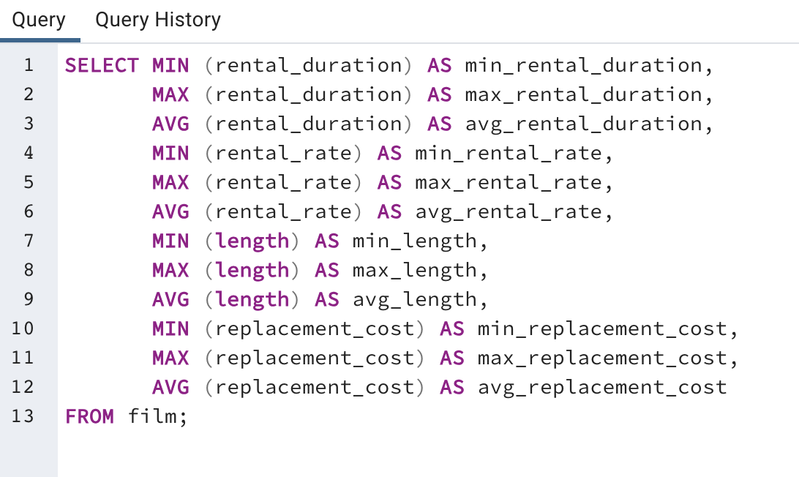
min_rental_duration | max_rental_duration | avg_rental_duration | min_rental_rate | max_rental_rate | avg_rental_rate | min_length | max_length | avg_length | min_replacement_cost | max_replacement_cost | avg_replacement_cost
3 | 7 | 4.985 | 0.99 | 4.99 | 2.98 | 46 | 185 | 115.272 | 9.99 | 29.99 | 19.984

SQL queries

actors
film_id | actor_name
1 | Penelope Guiness
1 | Christian Gable | SQL queries
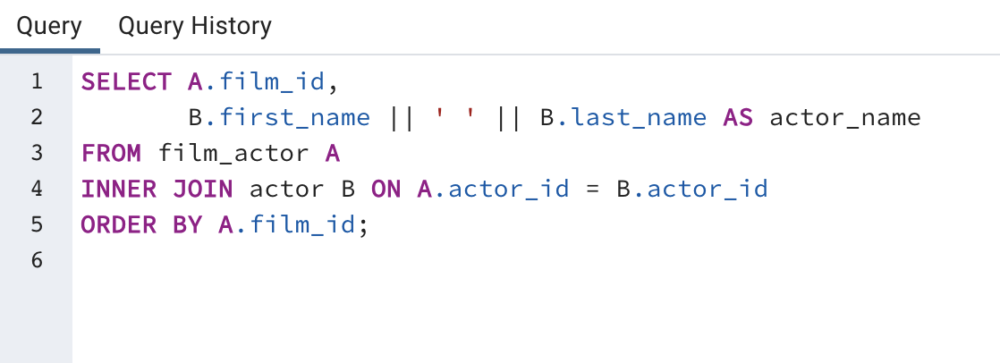
1 | Lucille Tracy
1 | Sandra Peck
1 | Johnny Cage
1 | Mena Temple
1 | Warren Nolte
1 | Oprah Kilmer
1 | Rock Dukakis
1 | Mary Keitel
2 | Bob Fawcett
2 | Minnie Zellweger
2 | Sean Guiness
2 | Chris Depp
3 | Nick Wahlberg
3 | Bob Fawcett
3 | Cameron Streep
3 | Ray Johansson
3 | Julianne Dench
4 | Jodie Degeneres
4 | Scarlett Damon
4 | Kenneth Pesci
4 | Fay Winslet
4 | Oprah Kilmer
5 | Gary Phoenix
5 | Dustin Tautou
5 | Matthew Leigh
5 | Matthew Carrey
5 | Thora Temple
6 | Kirsten Paltrow
6 | Sandra Kilmer
6 | Jayne Neeson
6 | Warren Nolte
6 | Morgan Williams
6 | Kenneth Hoffman
6 | Reese West
7 | Jim Mostel
7 | Richard Penn
7 | Oprah Kilmer
7 | Mena Hopper
7 | Michael Bolger
8 | Fay Kilmer
8 | Gene Willis
8 | Susan Davis
8 | Lucille Dee
9 | Christian Gable
9 | Elvis Marx
9 | Rip Crawford
9 | Mena Temple
9 | Rip Winslet
9 | Warren Nolte
9 | Greta Keitel
9 | William Hackman
9 | Meryl Allen
10 | Alec Wayne
10 | Judy Dean
10 | Val Bolger
10 | Ray Johansson
10 | Renee Tracy
10 | Jada Ryder
10 | Greta Malden
10 | Rock Dukakis
11 | Johnny Cage
11 | Scarlett Damon
11 | Sean Guiness
11 | Michael Bening
12 | Val Bolger
12 | Burt Posey
12 | Sidney Crowe
12 | Sylvester Dern
12 | Albert Johansson
12 | Gene Mckellen
12 | Jeff Silverstone
13 | Cary Mcconaughey
13 | Christopher Berry
13 | Kenneth Torn
13 | Morgan Mcdormand
13 | Jon Chase
14 | Woody Hoffman
14 | Minnie Zellweger
14 | Morgan Williams
14 | Rock Dukakis
15 | Burt Dukakis
15 | Kenneth Paltrow
15 | Sidney Crowe
15 | Renee Tracy
15 | Humphrey Willis
15 | Mena Hopper
16 | Karl Berry
16 | Jude Cruise
16 | Albert Johansson
16 | Gregory Gooding
16 | John Suvari
17 | Ed Chase
17 | Karl Berry
17 | Uma Wood
17 | Woody Jolie
17 | Spencer Depp
17 | Chris Depp
17 | Laurence Bullock
17 | Renee Ball
18 | Reese Kilmer
18 | Jada Ryder
18 | Angela Witherspoon
18 | Oprah Kilmer
19 | Johnny Lollobrigida
19 | Julia Mcqueen
19 | Val Bolger
19 | Kirk Jovovich
19 | James Pitt
19 | Penelope Cronyn
20 | Carmen Hunt
20 | Walter Torn
20 | Ed Mansfield
20 | Ewan Gooding
20 | Ian Tandy
20 | Laura Brody
21 | Kevin Bloom
21 | Rip Crawford
21 | Sidney Crowe
21 | Warren Jackman
21 | Frances Tomei
22 | Cary Mcconaughey
22 | Daryl Wahlberg
22 | Salma Nolte
22 | Scarlett Bening
23 | Penelope Guiness
23 | Jennifer Davis
23 | Elvis Marx
23 | Jayne Nolte
23 | Humphrey Willis
24 | Tom Mckellen
24 | Tom Miranda
24 | Jessica Bailey
24 | Greta Malden
24 | Ed Guiness
25 | Penelope Guiness
25 | Jennifer Davis
25 | Grace Mostel
25 | Julia Barrymore
25 | Christopher Berry
25 | Ed Mansfield
25 | Nick Degeneres
25 | Laurence Bullock
25 | Renee Ball
26 | Adam Grant
26 | Cate Mcqueen
26 | Greta Keitel
27 | Grace Mostel
27 | Fay Kilmer
27 | Jim Mostel
27 | Susan Davis
27 | Whoopi Hurt
27 | Emily Dee
27 | Meryl Gibson
27 | Mena Hopper
27 | Ed Guiness
28 | Milla Keitel
28 | Oprah Kilmer
29 | Bette Nicholson
29 | Uma Wood
29 | Sidney Crowe
29 | Salma Nolte
29 | William Hackman
29 | Renee Ball
29 | Reese West
30 | Joe Swank
30 | Christopher West
30 | Lisa Monroe
31 | Nick Wahlberg
31 | Cuba Olivier
31 | Anne Cronyn
31 | Henry Berry
32 | Mae Hoffman
32 | Vivien Basinger
32 | Oprah Kilmer
32 | Will Wilson
32 | Russell Close
33 | Mae Hoffman
33 | Woody Jolie
33 | Ed Mansfield
33 | Albert Johansson
33 | Oprah Kilmer
33 | Mena Hopper
33 | Jeff Silverstone
33 | Debbie Akroyd
34 | Karl Berry
34 | Rip Crawford
34 | Julia Mcqueen
34 | Johnny Cage
34 | Jude Cruise
34 | Sean Williams
34 | Burt Posey
34 | Walter Torn
34 | Russell Bacall
34 | Frances Tomei
34 | Greta Malden
34 | Lisa Monroe
35 | Grace Mostel
35 | Judy Dean
35 | Daryl Wahlberg
35 | Morgan Hopkins
35 | Cuba Allen
35 | Rita Reynolds
35 | Ewan Gooding
35 | Humphrey Garland
36 | Julia Barrymore
36 | Gary Penn
36 | Gene Willis
36 | Dan Streep
36 | Kevin Garland
37 | Karl Berry
37 | Ray Johansson
37 | Russell Bacall
37 | Greta Keitel
38 | Parker Goldberg
38 | Nick Degeneres
38 | Audrey Bailey
39 | Angela Hudson
39 | James Pitt
39 | Penelope Cronyn
39 | Cuba Allen
39 | Kim Allen
39 | Gene Mckellen
39 | Gregory Gooding
40 | Ed Chase
40 | Cary Mcconaughey
40 | Mae Hoffman
40 | Gene Willis
40 | Penelope Cronyn
40 | Matthew Carrey
40 | Russell Close
41 | Cuba Allen
41 | Rita Reynolds
41 | Oprah Kilmer
42 | Ed Chase
42 | Sandra Kilmer
42 | Kirk Jovovich
42 | Jayne Neeson
42 | Sidney Crowe
42 | Renee Tracy
42 | Meryl Allen
43 | Woody Hoffman
43 | Audrey Olivier
43 | Julianne Dench
43 | Frances Tomei
43 | Greta Keitel
43 | Cate Harris
43 | Chris Depp
43 | Harvey Hope
43 | Cuba Birch
44 | Dan Torn
44 | Milla Keitel
44 | Groucho Dunst
44 | Burt Temple
45 | Uma Wood
45 | Rip Winslet
45 | Gary Penn
45 | Christopher West
46 | Dustin Tautou
46 | Angela Hudson
46 | James Pitt
47 | Nick Wahlberg
47 | Matthew Johansson
47 | Charlize Dench
47 | Daryl Wahlberg
47 | Kevin Garland
47 | River Dean
47 | Minnie Kilmer
47 | Vivien Basinger
48 | Christian Akroyd
48 | Spencer Peck
48 | Christopher Berry
48 | Sylvester Dern
48 | Dan Streep
48 | Kevin Garland
48 | Jane Jackman
49 | Ben Willis
49 | Harrison Bale
49 | Cuba Allen
49 | Warren Jackman
49 | Greta Keitel
49 | Olympia Pfeiffer
49 | Alan Dreyfuss
49 | Thora Temple
50 | Michelle Mcconaughey
51 | Parker Goldberg
51 | Mena Temple
51 | Gary Penn
51 | Richard Penn
51 | Renee Ball
51 | Rock Dukakis
52 | Judy Dean
52 | Adam Grant
52 | Ben Willis
52 | Daryl Wahlberg
52 | Harrison Bale
52 | Lucille Dee
52 | Gene Mckellen
53 | Bette Nicholson
53 | Sandra Peck
53 | Julia Barrymore
53 | Michelle Mcconaughey
53 | Walter Torn
53 | Russell Temple
53 | Fay Wood
54 | Johnny Lollobrigida
54 | Lucille Tracy
54 | Dustin Tautou
54 | Jayne Neeson
54 | Gene Willis
54 | Audrey Bailey
55 | Mary Tandy
55 | Cuba Allen
55 | Nick Degeneres
55 | Alan Dreyfuss
55 | Gene Mckellen
56 | Jennifer Davis
56 | Elvis Marx
56 | Milla Peck
56 | Kirk Jovovich
56 | Daryl Crawford
56 | Ed Mansfield
56 | Morgan Williams
56 | Will Wilson
57 | Jessica Bailey
57 | Penelope Monroe
57 | Greta Keitel
57 | Ewan Gooding
57 | Emily Dee
57 | Groucho Williams
58 | Woody Hoffman
58 | Nick Stallone
58 | Mena Temple
58 | Ben Willis
58 | Gene Willis
58 | Frances Tomei
58 | Harvey Hope
59 | Scarlett Damon
59 | Penelope Cronyn
59 | Ben Harris
60 | Bette Nicholson
60 | Jodie Degeneres
60 | Angelina Astaire
60 | Kenneth Torn
60 | Susan Davis
61 | Cameron Zellweger
61 | Ed Mansfield
61 | Lucille Dee
61 | Nick Degeneres
61 | Michael Bening
62 | Jennifer Davis
62 | Gina Degeneres
62 | Susan Davis
62 | Albert Nolte
62 | Audrey Bailey
63 | Lucille Tracy
63 | Gary Phoenix
63 | Dan Harris
63 | Penelope Monroe
63 | Jayne Nolte
63 | Laurence Bullock
63 | Reese West
64 | Sandra Peck
64 | Warren Jackman
64 | Scarlett Bening
64 | Minnie Kilmer
64 | Vivien Basinger
64 | Bela Walken
65 | Tim Hackman
65 | Reese Kilmer
65 | Daryl Wahlberg
65 | Rita Reynolds
65 | Ed Guiness
66 | Reese Kilmer
66 | Angelina Astaire
66 | Gene Willis
66 | Chris Bridges
66 | Susan Davis
66 | Jane Jackman
66 | Vivien Basinger
67 | Grace Mostel
67 | Julia Barrymore
67 | Jessica Bailey
67 | Julianne Dench
67 | Cate Harris
67 | Angela Witherspoon
67 | Ian Tandy
67 | William Hackman
67 | Meryl Allen
67 | Julia Fawcett
68 | Christian Akroyd
68 | Angelina Astaire
68 | Morgan Mcdormand
68 | Nick Degeneres
69 | Sandra Peck
69 | Jodie Degeneres
69 | Ralph Cruz
69 | John Suvari
70 | Bette Nicholson
70 | Penelope Cronyn
71 | Goldie Brody
71 | Ellen Presley
71 | Russell Close
72 | Dustin Tautou
72 | Minnie Zellweger
72 | Chris Bridges
72 | Russell Temple
72 | Al Garland
72 | Laurence Bullock
73 | Goldie Brody
73 | Cameron Wray
73 | Cary Mcconaughey
73 | Jon Chase
73 | Renee Ball
74 | Joe Swank
74 | Woody Hoffman
74 | Daryl Wahlberg
74 | Ewan Gooding
74 | Alan Dreyfuss
74 | Matthew Carrey
75 | Fay Kilmer
75 | Jayne Nolte
76 | Kenneth Pesci
76 | Kenneth Torn
76 | Salma Nolte
76 | Renee Ball
77 | Sandra Peck
77 | Gary Penn
77 | Sylvester Dern
77 | Whoopi Hurt
78 | Sandra Kilmer
78 | Cary Mcconaughey
78 | Cameron Zellweger
78 | Kenneth Hoffman
78 | Matthew Carrey
79 | Jennifer Davis
79 | Alec Wayne
79 | Kevin Garland
79 | River Dean
79 | Angela Witherspoon
80 | Fred Costner
80 | Alan Dreyfuss
80 | Burt Temple
80 | Thora Temple
81 | Burt Dukakis
81 | Chris Bridges
81 | Adam Hopper
82 | Cate Mcqueen
82 | Adam Hopper
82 | Laura Brody
82 | Cuba Birch
83 | Cameron Streep
83 | Groucho Dunst
83 | Salma Nolte
83 | Matthew Carrey
84 | Dan Torn
84 | Tim Hackman
84 | Nick Stallone
84 | Penelope Pinkett
84 | Jim Mostel
84 | Morgan Hopkins
84 | Gregory Gooding
84 | Julia Fawcett
85 | Johnny Lollobrigida
85 | Julia Mcqueen
85 | Henry Berry
85 | Minnie Zellweger
85 | Susan Davis
85 | Frances Tomei
85 | Fay Winslet
85 | Oprah Kilmer
85 | Ed Guiness
86 | Kevin Bloom
86 | Jodie Degeneres
86 | Groucho Sinatra
86 | Nick Degeneres
86 | Gene Mckellen
86 | Meryl Allen
87 | Ed Chase
87 | Jennifer Davis
87 | Uma Wood
87 | Fred Costner
87 | Kirsten Paltrow
87 | Sandra Peck
87 | Dan Harris
87 | Ray Johansson
87 | Kenneth Pesci
87 | Chris Bridges
87 | Warren Jackman
87 | Humphrey Garland
87 | Audrey Bailey
88 | Kirsten Paltrow
88 | Sissy Sobieski
88 | Nick Stallone
88 | Dustin Tautou
88 | Ray Johansson
88 | Kenneth Paltrow
88 | Dan Streep
88 | Rita Reynolds
88 | Meryl Allen
89 | Cuba Olivier
89 | Elvis Marx
89 | Kirk Jovovich
89 | Scarlett Damon
89 | Daryl Crawford
89 | Harvey Hope
89 | Jon Chase
90 | Rip Crawford
90 | Audrey Olivier
90 | Kirsten Akroyd
90 | Morgan Mcdormand
90 | Dan Streep
90 | Ewan Gooding
90 | Angela Witherspoon
90 | Harvey Hope
91 | Karl Berry
91 | Cuba Olivier
92 | Karl Berry
92 | Carmen Hunt
92 | Michelle Mcconaughey
92 | Minnie Zellweger
92 | Will Wilson
93 | Rip Crawford
93 | Kenneth Hoffman
94 | Nick Stallone
94 | Kirsten Akroyd
94 | Jane Jackman
94 | Jayne Nolte
95 | Angelina Astaire
95 | Russell Temple
95 | Al Garland
95 | Michael Bolger
95 | Julia Zellweger
96 | Grace Mostel
96 | Helen Voight
96 | Woody Hoffman
96 | Carmen Hunt
96 | Frances Tomei
96 | Morgan Williams
97 | Angela Hudson
98 | Cameron Zellweger
98 | Albert Nolte
98 | Renee Ball
98 | Meryl Allen
99 | Frances Day-Lewis
99 | Angela Witherspoon
100 | Jodie Degeneres
100 | Jayne Neeson
100 | Sean Guiness
100 | Albert Nolte
100 | Groucho Williams
101 | Fred Costner
101 | Frances Day-Lewis
101 | Jude Cruise
101 | Jayne Neeson
101 | Daryl Crawford
102 | Vivien Basinger
102 | Mena Hopper
...

rental range count
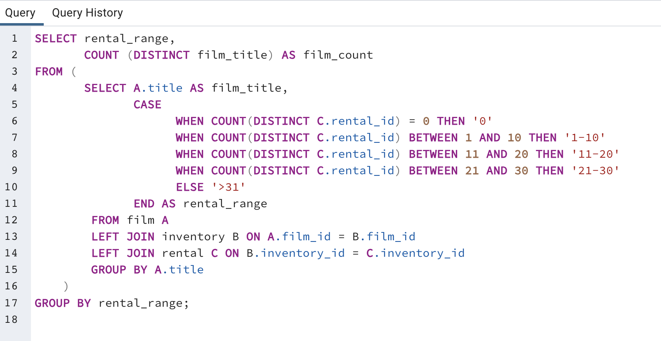
rental_range | film_count
0 | 42 | SQL Queries:
1-10 | 204
11-20 | 459
21-30 | 279
>31 | 16

top 10 countries
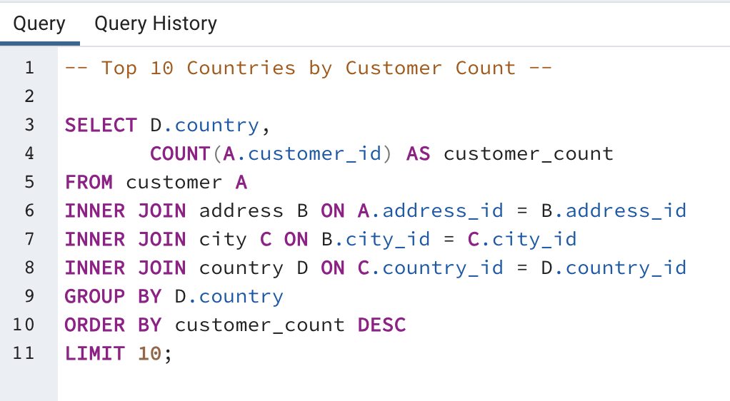
country | customer_count
India | 60 | SQL Queries:
China | 53
United States | 36
Japan | 31
Mexico | 30
Brazil | 28
Russian Federation | 28
Philippines | 20
Turkey | 15
Indonesia | 14

top 10 cities
city | country | customer_count
Aurora | United States | 2
Atlixco | Mexico | 1 | SQL Queries:
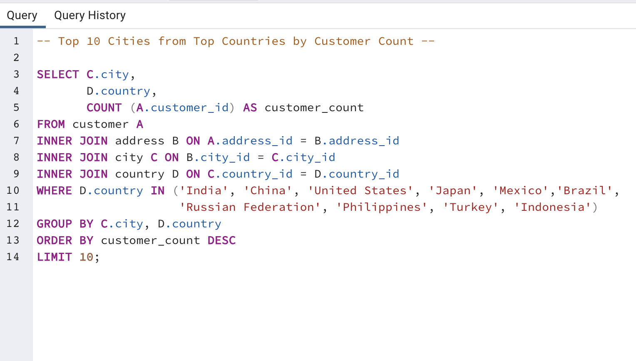
Xintai | China | 1
Adoni | India | 1
Dhule (Dhulia) | India | 1
Kurashiki | Japan | 1
Pingxiang | China | 1
Sivas | Turkey | 1
Celaya | Mexico | 1
So Leopoldo | Brazil | 1

top 5 customers
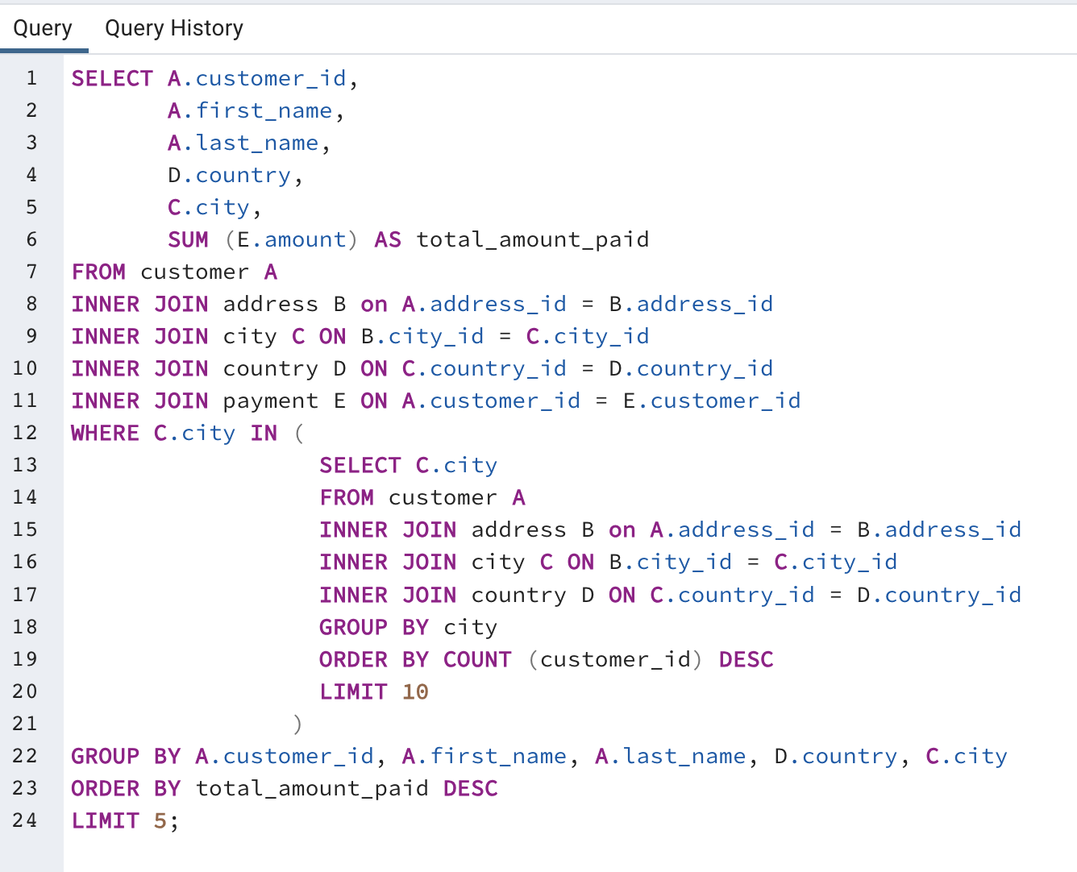
customer_id | first_name | last_name | country | city | total_amount_paid
148 | Eleanor | Hunt | Runion | Saint-Denis | 211.55
144 | Clara | Shaw | Belarus | Molodetno | 189.6
566 | Casey | Mena | Turkey | Tokat | 130.68
84 | Sara | Perry | Mexico | Atlixco | 128.7
506 | Leslie | Seward | Indonesia | Pontianak | 123.72

 | SQL Queries:

